Storyboard
Process Improvement Project - Exercise Improvement
 |  |  | Kelsey Johnson - MBC 638
Key Dates --> Define | Measure | Analyze | Improve Control
2020-01-13 | 2020-01-20 | 2/30/20 | 3/12/20 3/16/20
Define | Measure | Analyze | Improve
SQL = 1
Identified Inputs and Outputs to Measure
44 Samples Needed
95% Confidence Interval that mean exercise time is 35.3167 +/- 12.846 minutes
Low
Process Change (moving exercise to morning) Results in a Mean Increase
Problem Statement: My sedentary job along with school leads to not enough exercise during the day. I know this is a problem by having a lower HDL level and gaining weight The evidence is clear – lab results such as a lower HDL and my weight on the scale has gone up along with gaining inches. The current process to be analyzed is to determine if it allows for 60 minutes of exercise per day. | 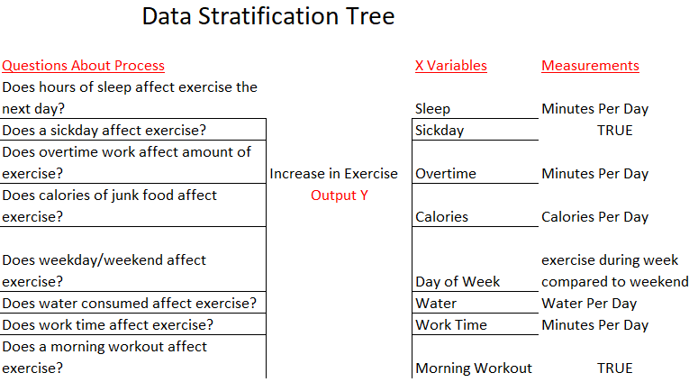 | 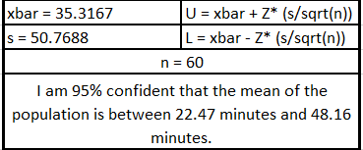 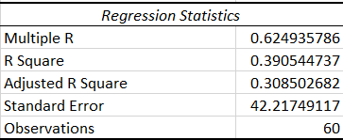 | 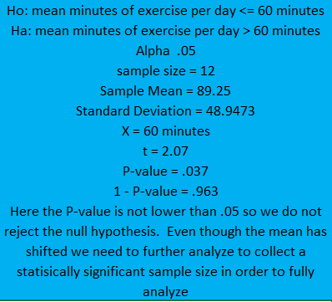

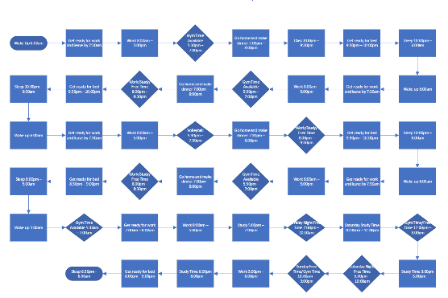

SQL = 2.9
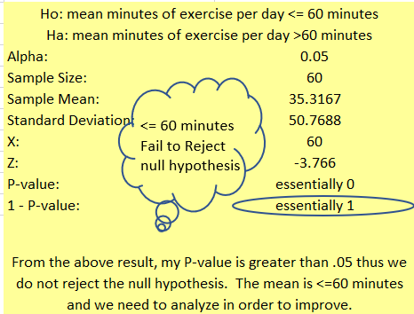

Moving Range and Individuals Chart Out of Control
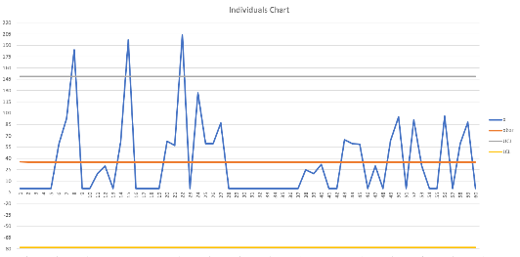
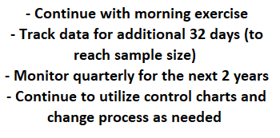
 |  |  | Control
How can we improve SQL?
Which inputs need to be measured, analyzed, and improved?

This Photo by Unknown Author is licensed under CC BY-SA

